Sheet1
 |  |  |  |  |  |  | starting cost($) | maintenance($) | salvage($) | MARR | years | Cost
 | 1) PART A |  |  |  |  | gas | 6000 | 1000 | 500 | 6% | 5 | 9838.7346991
 |  |  |  |  |  | electric | 8000 | 750 | 1500 | 6% | 5 | 10038.38558

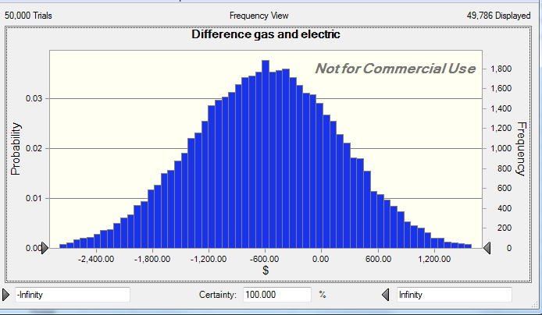

 | 1) PART B

Gas | Year | Install | Maint | Salvage
 | 0 | 6000
 | 1 |  | 1000
 | 2 |  | 1000
 | 3 |  | 1000
 | 4 |  | 1000
 | 5 |  | 1000 | -500
 |  |  |  |  | Total
 | NPV | 6000 | 4212.3637856 | -373.62908643 | 9838.7346991
 | Rate

Electric | Year | Install | Maint | Salvage
 | 0 | 8000
 | 1 |  | 750
 | 2 |  | 750
 | 3 |  | 750
 | 4 |  | 750
 | 5 |  | 750 | -1500 |  |  |  |  | Forecast: Difference gas and electric
 |  |  |  |  | Total |  |  |  | Statistic | Forecast values
 | NPV | 8000 | 3159.2728392 | -1120.8872593 | 10038.38558 |  |  |  | Trials | 50,000
 | Rate |  |  |  |  |  |  |  | Base Case | -199.65
 |  |  |  |  |  |  |  |  | Mean | -597.84
 |  |  |  | NPVgas-NPVelectric: | -199.65088074 |  |  |  | Median | -588.09
 |  |  |  |  |  |  |  |  | Mode | '---
 |  |  |  |  |  |  |  |  | Standard Deviation | 781.7
The system preferred is the gas because the mean is $597 lower after our trials ran. |  |  |  |  |  |  |  |  | Variance | 611,052.49
 |  |  |  |  |  |  |  |  | Skewness | -0.0654
 |  |  |  |  |  |  |  |  | Kurtosis | 2.89
 |  |  |  |  |  |  |  |  | Coeff. of Variation | -1.31
 |  |  |  |  |  |  |  |  | Minimum | -3,495.90
 |  |  |  |  |  |  |  |  | Maximum | 2,557.56
 |  |  |  |  |  |  |  |  | Mean Std. Error | 3.5

Sheet3
2) PART A |  |  |  |  | Hit is a 1, live is a 0
 |  |  |  |  |  |  | rate = 1/120
 | mean(sec) | Cross time(sec)
 | 120 | 10 | 0 | 1
 |  |  |  |  | Forecast: Will he live?
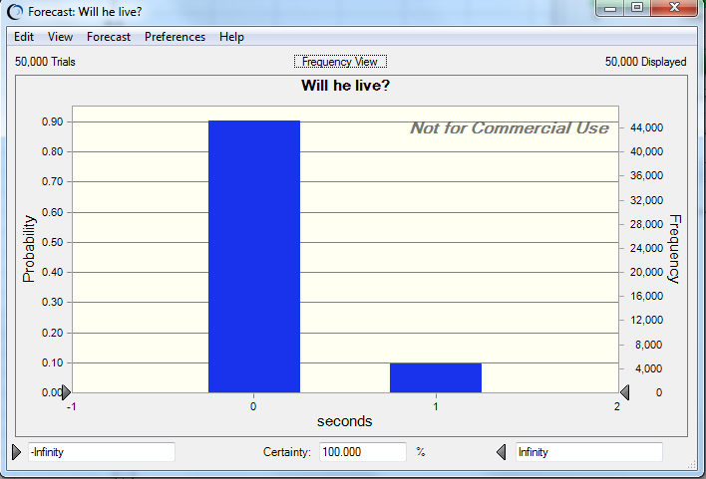
 |  |  |  |  | Statistic | Forecast values
 |  |  |  |  | Trials | 50,000
 |  |  |  |  | Base Case | 1
 |  |  |  |  | Mean | 0.1
 |  |  |  |  | Median | 0
 |  |  |  |  | Mode | 0
 |  |  |  |  | Standard Deviation | 0.29
 |  |  |  |  | Variance | 0.09
 |  |  |  |  | Skewness | 2.75
 |  |  |  |  | Kurtosis | 8.54
 |  |  |  |  | Coeff. of Variation | 3.07
 |  |  |  |  | Minimum | 0
 |  |  |  |  | Maximum | 1
 |  |  |  |  | Mean Std. Error | 0

2) PART B

 | mean(sec) | Cross time(sec) | Car time
 | 120 | 0 | 0 | 0
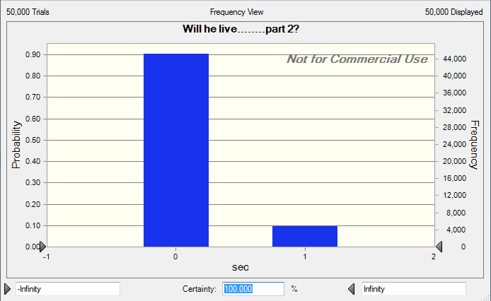
 |  |  |  |  | Forecast: Will he live........part 2?
 |  |  |  |  | Statistic | Forecast values
 |  |  |  |  | Trials | 50,000
 |  |  |  |  | Base Case | 0
 |  |  |  |  | Mean | 0.1
 |  |  |  |  | Median | 0
 |  |  |  |  | Mode | 0
 |  |  |  |  | Standard Deviation | 0.29
 |  |  |  |  | Variance | 0.09
 |  |  |  |  | Skewness | 2.75
 |  |  |  |  | Kurtosis | 8.55
 |  |  |  |  | Coeff. of Variation | 3.07
 |  |  |  |  | Minimum | 0
 |  |  |  |  | Maximum | 1
 |  |  |  |  | Mean Std. Error | 0

